Correction Factors K
Dhy for this K4 is the heated diameter as correlation is based on 8 mm tube heated from the periphery.
Dhy = Dheated = 4*Aflow/heated perimeter
Correction Factors Applicable to the CHF LUT
NURETH 9: A General Method of PredictingCritical Heat Flux in Advanced Water Cooled Reactors
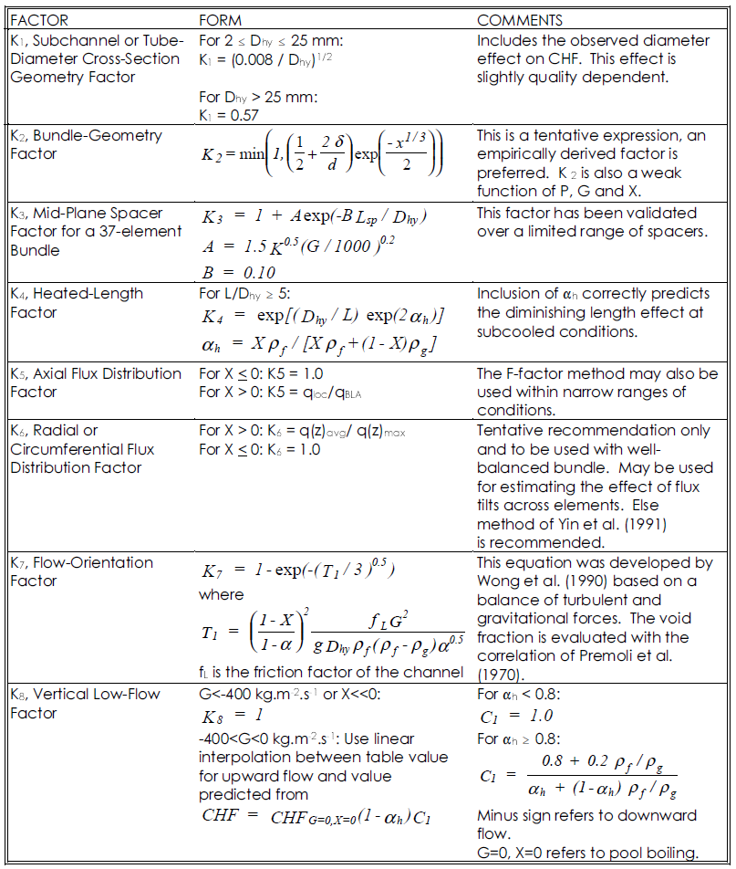
 | Correction Factor Based on Chart Criteria |  | Required Input Variables for Correction Factors
 | K1 | 1.2401679695 | Dhyd | 0.0052015043519 | m | Subchannel Hydraulic Diameter
 | K2 | 0.88037521664 | Dhtr | 0.0095352275205 | m | Diameter of Heater Element
 | K3 | 1.000108795 | Pitch | 0.0125984 | m | Center Distance between Heating Elements
 | K4 | 1.0097891897 | Lsp | 0.5 | m | Distance to Upstream Grid Spacer
 | K5 | 0.5 | Kg | 1 | - | Pressure loss coefficient of the spacing device
 | K6 | 1 | Lhtd | 2.0075008465 | m | Heated Length
 | K7 | 0.99714971889 | ρfsat | 683.6 | kg/m3 | Saturated Liquid Density
 | K8 | 1 | ρgsat | 57.54 | kg/m3 | Saturated Vapor Density
Note if K₃ is used, K₄ = 1 according to Groeneveld as the heated length factor is included in the spacer treatment..
 |  |  | qlocal | 500 | kW/m2 | Heat Flux at CHF Location
 |  |  | qBLA | 1000 | kW/m2 | Boiling Length Average Heat Flux
 |  |  | qrcavg | 1 | kW/m2 | Average Radial/Circumferential Heat Flux
 |  |  | qrcmax | 1 | kW/m2 | Maximum Radial/Circumferential Heat Flux
 |  |  | fL | 1 | - | Friction Factor of the Channel
 |  |  | g | 9.81 | m/s2 | Gravitational Constant
 |  |  | G | 1500 | kg/m2s | Channel Mass Flux
 |  |  | x | 0.14162015057 | - | Thermodynamic Quality at CHF Location

 |  |  | Values Calculated from Input Variables for Use in Correction Factors
 |  |  | δ | 0.0030631724795 | m | δ is gap size
 |  |  | αh | 0.66217332058 | - | Void Fraction
 |  |  | α | 1 | - | Void Fraction from Premoli et al. correlation (1970)
 |  |  | T1 | 103.03067228 | - | Equation factor for K(7)
 |  |  | C1 | 1 | - | Equation factor for K(8)

Sheet3
CHF [kW/m2]

 |  |  | Biasi |  |  |  |  |  |  |  |  | Groeneveld
Pressure | Mass Flux |  |  |  |  |  |  |  | Pressure | Mass Flux
[MPa] | [kg/m2s] |  |  |  |  | T test for quality |  |  | [MPa] | [kg/m2s]
 | X--> | -0.2 | -0.1 | -0.05 | Tsat (°C) | -0.2 | -0.1 | -0.05 |  | X--> | -0.2 | -0.1 | -0.05
80 | 400 | 1105 | 1013 | 967.3 | 295 | 238 | 267.5 | 281.5 | 80 | 400
 | 800 | 1776 | 1629 | 1555 |  |  |  |  |  | 800
 | 1200 | 2102 | 1928 | 1841 |  |  |  |  |  | 1200 |  |  | 5736.8 | 1434.2
100 | 400 | 984.3 | 901.4 | 862.1 | 311 | 262 | 288 | 299.5 | 100 | 400
 | 800 | 1527 | 1398 | 1337 |  |  |  |  |  | 800
 | 1200 | 1754 | 1606 | 1536 |  |  |  |  |  | 1200
120 | 400 | 845.7 | 774.8 | 739.6 | 324.7 | 283.5 | 305.5 | 315.5 | 120 | 400
 | 800 | 1226 | 1123 | 1072 |  |  |  |  |  | 800
 | 1200 | 1337 | 1225 | 1169 |  |  |  |  |  | 1200
140 | 400 | 663.7 | 608.6 | 579.6 | 336.7 | 303 | 321 | 329.5 | 140 | 400
 | 800 | 851.9 | 769.2 | 732.5 |  |  |  |  |  | 800
 | 1200 | 1134 | 946 | 846.9 |  |  |  |  |  | 1200
160 | 400 | 412.7 | 348.8 | 317.4 | 347.4 | 322 | 336 | 342 | 160 | 400
 | 800 | 715.5 | 595.6 | 536.8 |  |  |  |  |  | 800
 | 1200 | 961.1 | 792.8 | 710.1 |  |  |  |  |  | 1200

